1. Title Page
Instacart Grocery Basket Analysis

Project Name: Instacart Grocery Basket Analysis
Date: 20 November 2024
Analyst Name: Troy Gonzalez

Contents:
Population Flow
Consistency checks
Wrangling steps
Column derivations
Visualizations
Recommendations

Data from: | “The Instacart Online Grocery Shopping Dataset 2017”, Accessed from www.instacart.com/datasets/grocery-shopping-2017 via Kaggle on 20 November 2020.

Data citation: | Data in 'prices' column of product data set, and customer dataset are fabricated for this learning purposes

2. Population Flow
Title page

Population flow

Exclusion flag
Condition: max_order <=5
Obervations to be removed: 1440295
Final total count of order_products_all:30964564

Orders_products_combined
Orders_products_merged
Orders_products_all

Total: 32,434,489 rows, 12 columns
Total: 32404859 rows, 17 columns
Total: 32,404,859 rows, 32 columns

1.) The grey boxes in the first row of the population flow represent the original data sets as they were when you downloaded them. In the Total fields you need to add the count of the rows when you imported the data set into Jupyter.
2.) The second row of boxes (coloured) represents the data sets after you manipulated them, e.g., removed missing values and duplicates. In the Total fields you need to add the count of the rows after conducting these operations. This offers a visual oveview of how the data flows throughout the data consistency checks.
3.) The third row, where also the arrows are coloured, represents the merges you performed between the datasets. In the Total fields you need to add the count of the rows in the merged datasets, so that you end up with the final dataset (in the red box). Keep in mind the final dataset should be without exclusions (based on the exclusion flag).

3. Consistency checks
 |  |  |  | Title page
Consistency checks

Dataset | Missing values | Missing values treatment | Duplicates
orders | 206209 - days_from_last_order | retained as is | none
products | 16 - product names | none | 5 entries
orders_products_prior | none |  | none
customers | 11259 NaN on first_name | Excluded name columns in analysis | none

4. Wrangling steps
 |  |  |  | Title page
Wrangling steps

Columns dropped | Columns renamed | Columns' type changed | Comment/Reason
eval_set |  |  | Not important for the analysis
 | order_dow to order_days_of_week |  | for clarity
 | order_since_prior_order to order_from_last_order |  | for clarity
 |  | user_id to str | these are unique identifier and evaluated as a name/string
 |  | order_number to str | these are unique identifier and evaluated as a name/string
 |  | order_id to str | these are unique identifier and evaluated as a name/string

customers
Columns dropped | Columns renamed | Columns' type changed | Comment/Reason
first_name | First name to first_name |  | for uniformity. Dropped because PII
last_name | Surnam to last_name |  | for uniformity. Dropped because PII
 | Gender to gender |  | for uniformity
 | STATE to state |  | for uniformity
 | Age to age |  | for uniformity
 | n_dependants to dependants |  | for uniformity
 |  | user_id to str | these are unique identifier and evaluated as a name/string

5. Column derivations
 |  |  |  | Title page

Column derivations and aggregations

In this tab you should add tables below that the frequences of flags/label variables that you produced after deriving them. NB: don't do this for continuous variables, only for flags.
Dataset | New column | Column/s it was derived from | Conditions
ords_prods_merge_latest_20241112 | price_range_loc | prices | Low - <=5; Mid-range >5 and <= 15; High-range >15
 | busiest_day | order_day_of_week | Busiest day = 0; Least Busy = 4
 | busiest_days_new | order_day_of_week | Busiest days = 0,1; Slowest days = 3,4
 | busiest_period_of_day | order_hour_of_day | Busiest hours of the day is from 10:00 to 15:00, while the slowest is from 02:00-05:00
ords_prods_merge_latest_20241113 | loyalty_flag | max_order | max_order >40 - loyal customer; max_order <=40 & > 10 - regular customer; max_order <= 10 - new customer
 | spender | ave_spent | ave_spent >=10 - high spender; ave_spent < 10 - low spender
 | frequent_cust | merdian_days_to_order | median_days_to_order >20 -Non-frequent customer; median_days_to_order <=20 & > 10 - regular customer; median_days_to_order <= 10 - new customer

6. Visualizations
 |  |  |  |  |  |  |  |  | Title page

Visualisations

In this tab you should include all the visualtions from Exercises 4.9 and 4.10, alongside the questions from the project brief that they answer. Include any commentary on the relationship between different variables.

Key Question 1 |  |  | Busiest time of the day and busiest day of the week

 |  |  |  |  |  |  |  | Order Frequency per Day of Week

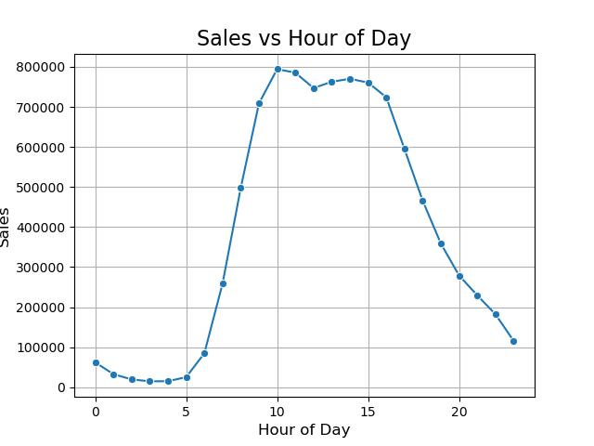

 |  |  |  |  |  |  |  |  |  | Legend
 |  |  |  |  |  |  |  |  |  | 0 | Saturday
 |  |  |  |  |  |  |  |  |  | 1 | Sunday
 |  |  |  |  |  |  |  |  |  | 2 | Monday
 |  |  |  |  |  |  |  |  |  | 3 | Tuesday
 |  |  |  |  |  |  |  |  |  | 4 | Wednesday
 |  |  |  |  |  |  |  |  |  | 5 | Thursday
 |  |  |  |  |  |  |  |  |  | 6 | Friday

 |  | Busiest time of the day is from 9:00 to 16:00 |  |  |  |  |  | Busiest day of the week is Saturday and Sunday

Key Question 2 |  |  | When do people spend the most during the day?

 |  | Sales vs Hour of Day
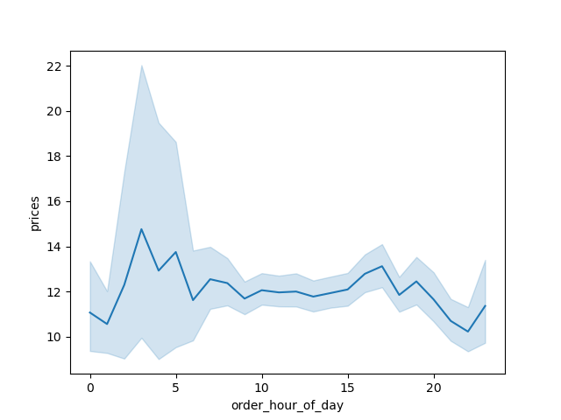

 |  |  |  |  |  | People tend to spend more on midnight to early morning, while the least is in the evening

Key Question 3 |  |  | Which products to focus on and on what price range?

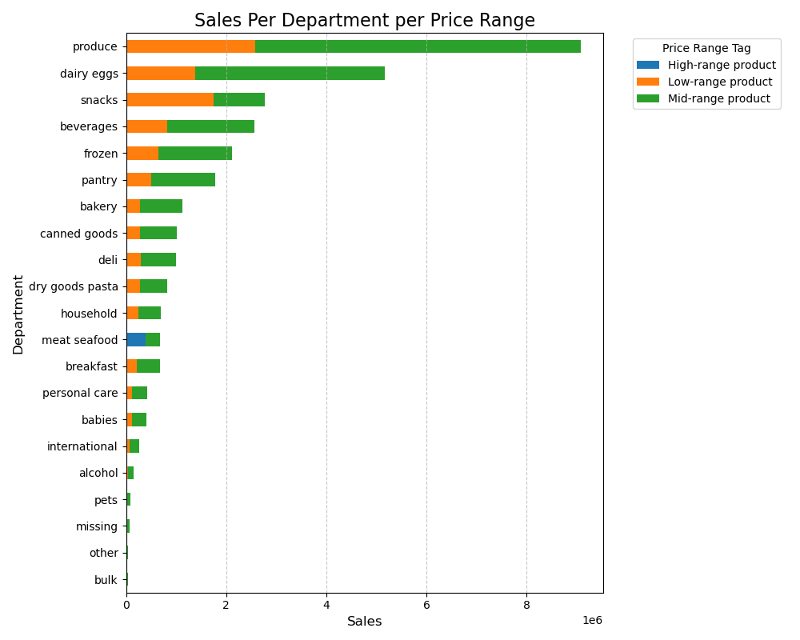

 |  |  |  |  |  |  |  | There is great demand for produce, dairy eggs, snacks, beverages, and frozen food. Most of the products sales are in the mid-range and low-range, with the exception of meat and seafood which have more high-range and mid-range

Key Question 4 |  |  | What is the distribution of customer loyalty?

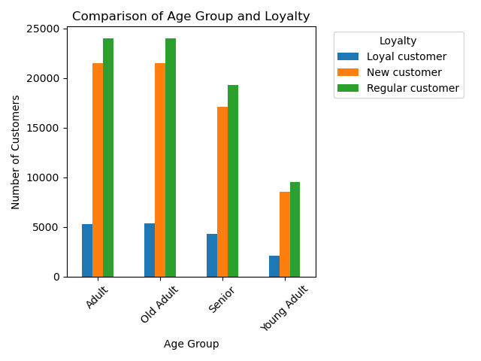
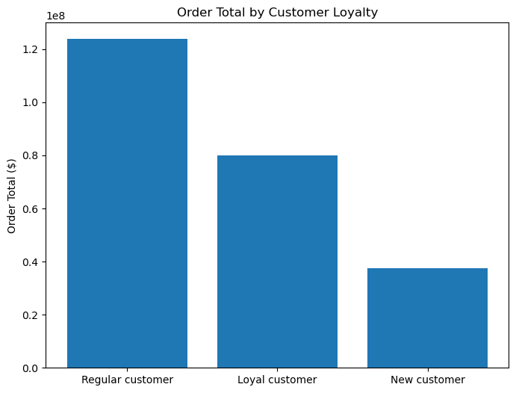

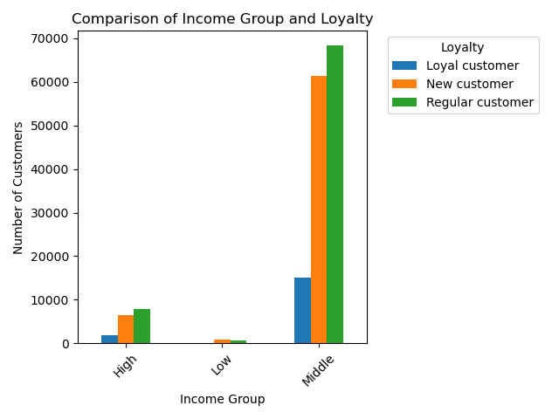

 |  | Regular and Loyal customers make up the most sales for Instacart. Even though the number of new customers is far greater than the loyal customers, new customers makes the least sales. The most loyal and regular customers are from the Adult to Old Adult age group, and in the middle income group.

Key Question 5 |  |  | Is there a connection between age and family status in terms of ordering habits?

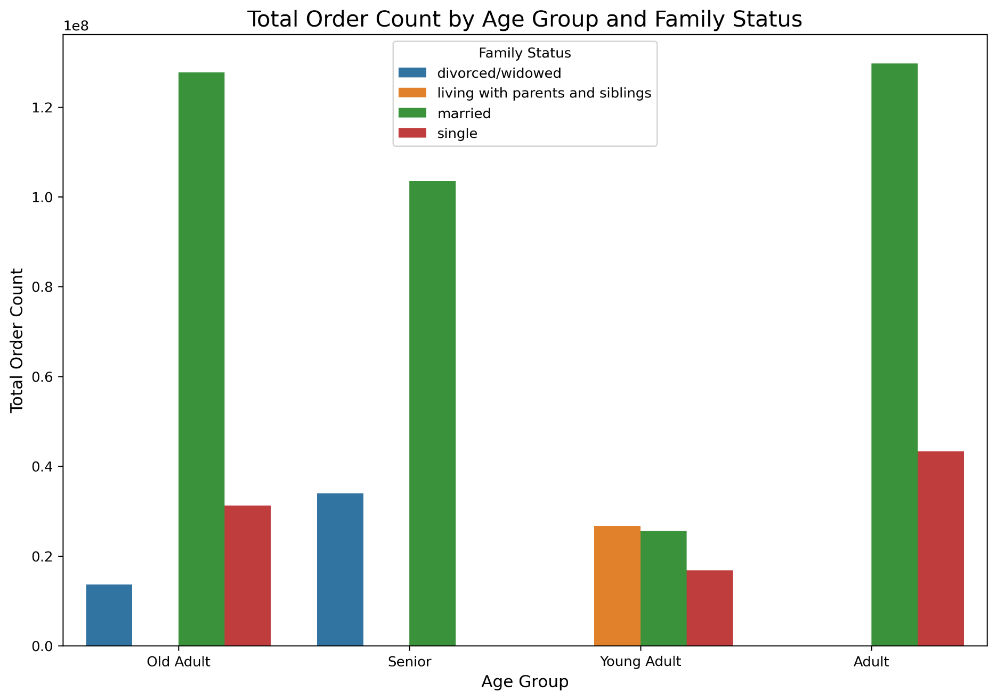

 |  |  |  |  |  |  |  |  | Yes. Married Adults to Senior tend to order the most, followed by single adults, divorced/widowed senior, and single old adults. Young adult is surprisingly ordering the fewest. Could be that a lot of them are still living with their parents and parents are ordering their household needs.

Key Question 6 |  |  | Demographics

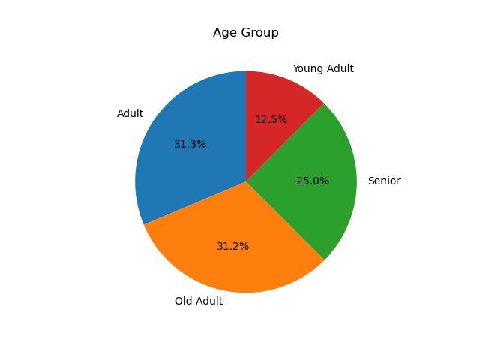
 |  |  |  |  |  |  | Income Group of Customers |  |  |  | Income Group of Customers vs Age
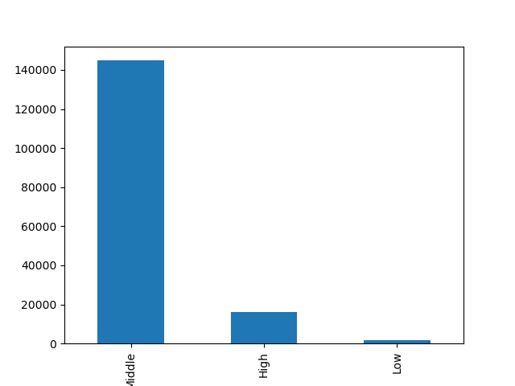


 |  |  |  | Age Range | Age Group
 |  |  |  | 18-25 | Young Adult
 |  |  |  | 26-45 | Adult
 |  |  |  | 46-65 | Old Adult
 |  |  |  | 65+ | Senior

 | Customer is made up of majority Adult to Old Adult, followed by senior, then young adult |  |  |  |  |  | Most customers are from the middle income group |  |  |  | There is a correlation between higher income and age

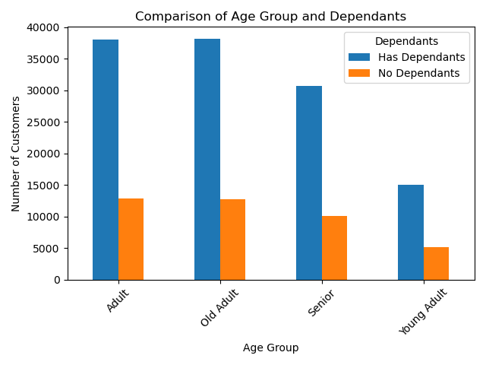
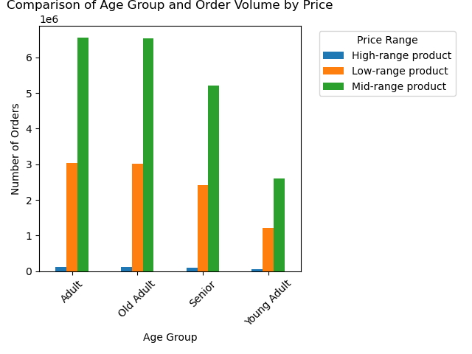
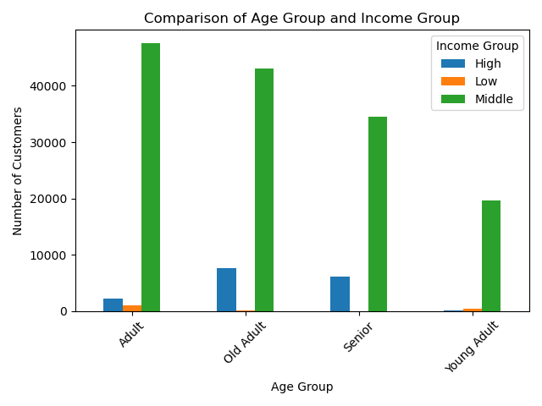

 | In all age group, majority comes from the middle-income group. Old adult, senior and adult age groups have the high-income group next, respectively. |  |  |  |  |  | In all age group, mid-range products are in demand, then low-range |  |  |  | More than half of the customers per age group have dependants

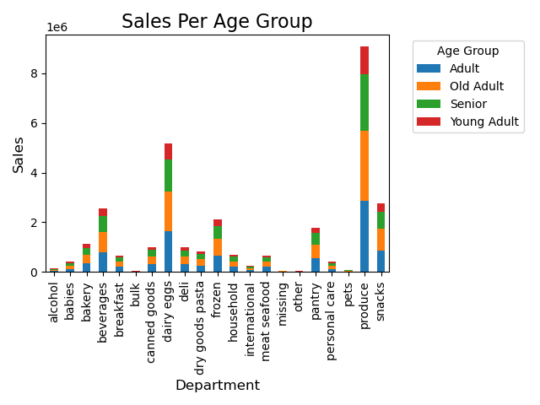
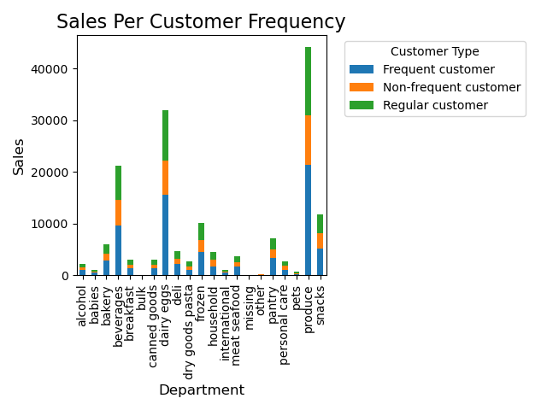

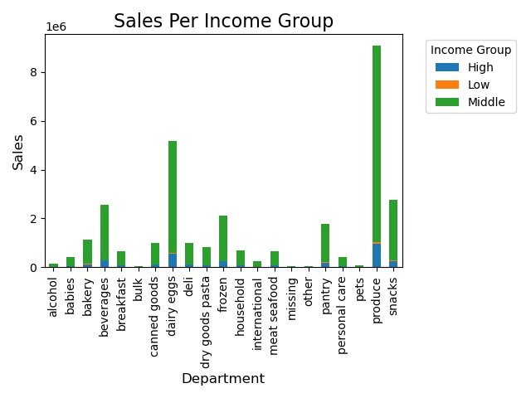

 | Sales per department by age group seems proportional to age distribution |  |  |  |  | Majority of the sales pero department are from frequent customers, then regular customers |  |  |  | Middle income customer tops the sales in all. Produce and Eggs seems to have a demand from high income group

 |  | In short, the average customer of Instacart is Adult to Old Adult frequent customer from middle-income group, with dependants, that buys mid-range products that buys produce, dairy/eggs, beverages, snacks, and frozen items.

Key Question 7 |  |  | Ordering habits per region

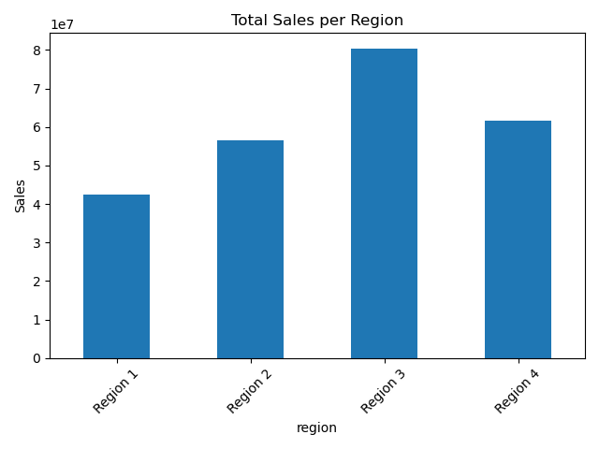
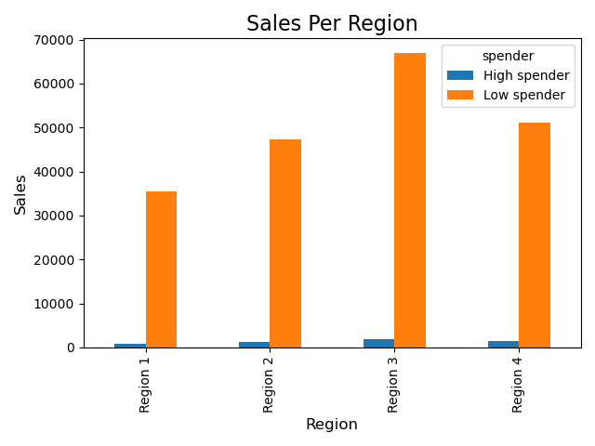
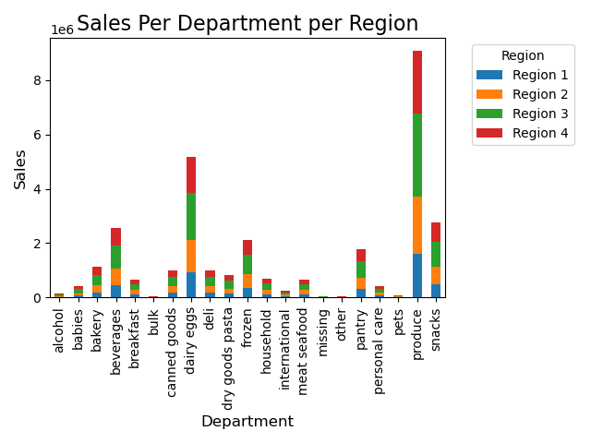

 | Region 3 has the most sales, followed by region 4, then region 2, then region 1 |  |  |  |  |  | It has a proportional number of spender types per region |  |  |  | It has a proportional nu,ber of spender types per region

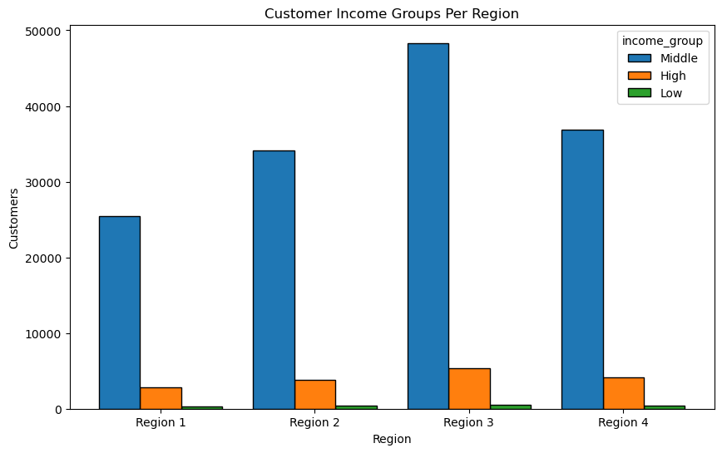
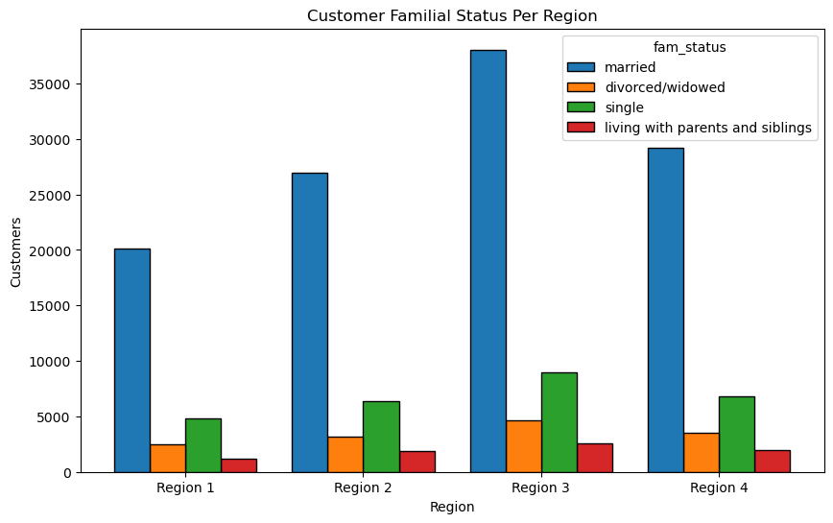

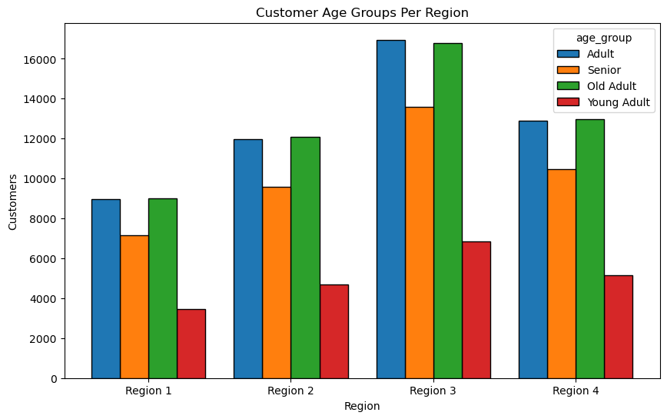
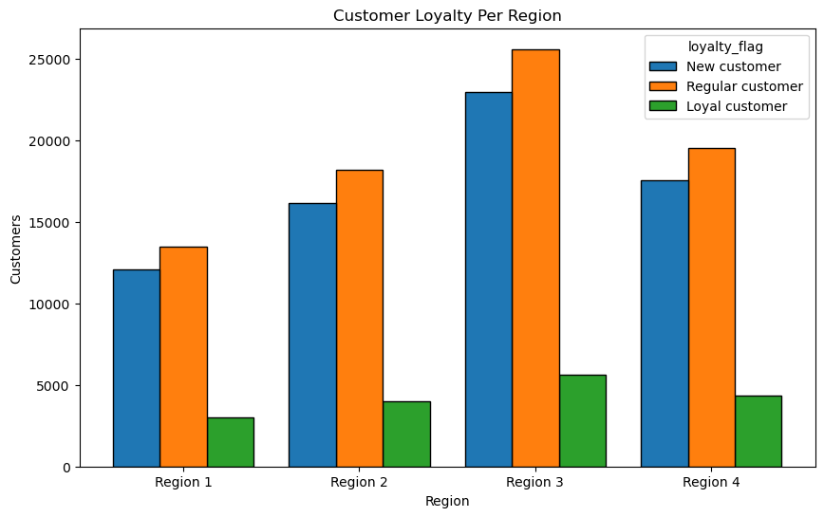

 |  | Demographics and ordering pattern for different regions seems to be similar in composition with each other. It doesn't show any difference in the patterns if we break down the data into per region coming from the whole dataset.

7. Recommendations
 |  |  |  | Title page

Recommendations

In this tab you should include any recommendations you would made to Instcart in terms of their marketing strategy based on the questions posed in the brief. Every key question has been covered in the Tasks of the Exercises - here you need to add an item - a visualisation or table/crosstable that is showing the answer in the data, acompanied by a comment from you. Please, list the questions below and add the answer underneath.

 | Question | Answer | Viz link
Key Question 1 | What are the busiest days of the week and hours of the day? | The busiest day of the week is during the weekend, Saturday and Sunday, while the busiest hours of the day is from 9:00-16:00. We can run more ads outside this time to gain more sales in the off-peak times. We can also let the IT staff know to be prepared during this peak times so that we know we can handle the amount of volume of orders and not run into IT problems. | Viz 1
Key Question 2 | When do people spend the most? | People tend to spend more in the midnight to early mornings. We can schedule more ads of high-value products during these time range | Viz 2
Key Question 3 | Which products to focus on and what price range? | There is great demand for produce, dairy eggs, snacks, beverages, and frozen food. Most of the products sales are in the mid-range and low-range, with the exception of meat and seafood which have more high-range and mid-range. We can acquire more mid-range products and a little bit of low-range products for most departments. Meat and seafood should focus on high quality products and mid-range products. | Viz 3
Key Question 4 | What is the distribution of customer loyalty? | Regular and Loyal customers make up the most sales for Instacart. Even though the number of new customers is far greater than the loyal customers, new customers makes the least sales. The most loyal and regular customers are from the Adult to Old Adult age group, and in the middle income group. | Viz 4
Key Question 5 | Is there a connection between age and family status in terms of ordering habits? | Yes. Married Adults to Senior tend to order the most, followed by single adults, divorced/widowed senior, and single old adults. Young adult is surprisingly ordering the fewest. Could be that a lot of them are still living with their parents and parents are ordering their household needs. We can offer more family oriented products such as family bundles, or larger quantity of items. | Viz 5
Key Question 6 | Demographics | In short, the average customer of Instacart is Adult to Old Adult frequent customer from middle-income group, with dependants, that buys mid-range products that buys produce, dairy/eggs, beverages, snacks, and frozen items. We should target this kind of customer to maximise profit and customer satisfaction. | Viz 6
Key Question 7 | Ordering habits per region | Most customers and sales are from Region 3, followed by Region 4, then Region 2, then lastly Region 1. However, demographics, and ordering habits tend to be the same in all regions, proportional to the customer count per region. Marketing strategy can be applied nationwide. | Viz 7

Crosstab
region | High spender | Low spender
Region 1 | 883 | 35505
Region 2 | 1263 | 47256
Region 3 | 1817 | 66920
Region 4 | 1394 | 51171

Types of Spenders per Region

